DCF
FCF = EBIT*(1-Tax Rate) + Depreciation & Amortization - Net Capex - Increase in Working Capital
 |  |  |  |  | Average
EUR, '000 000 | 2016 | 2017 | 2018 | 2019 |  | 2020 | 2021 | 2022 | 2023 | 2024 | Exit
Revenue | 94,163 | 98,282 | 96,855 | 104,210 |  | 107,863 | 111,644 | 115,558 | 119,608 | 123,801
Revenue Growth |  | 4.37% | -1.45% | 7.59% | 3.51%
Total Operating Expenses | 84,777 | 88,383 | 87,922 | 96,799 |  | 101,261 | 105,928 | 110,811 | 115,919 | 121,262
Expenses Growth |  | 4.25% | -0.52% | 10.10% | 4.61%
EBIT | 9,386 | 9,899 | 8,933 | 7,411 |  | 6,602 | 5,716 | 4,746 | 3,689 | 2,539
Tax Rate | 28.50% | 18.74% | 26.28% | 30.06% | 25.90% | 25.90% | 25.90% | 25.90% | 25.90% | 25.90%

+ Depreciation & Amortization | 4,998 | 4,822 | 5,113 | 6,017 | 5,238 | 5,238 | 5,238 | 5,238 | 5,238 | 5,238
- Net Capital Expenditure | (5,823) | (7,112) | (7,777) | (6,902) | (6,904) | (6,904) | (6,904) | (6,904) | (6,904) | (6,904)
- Change in Working Capital | 1,112 | 735 | 1,506 | 3,402 | 1,689 | 1,689 | 1,689 | 1,689 | 1,689 | 1,689 |  | Subtract change in WC as change in WC is calc by doing CA - CL for the year, increase in WC means CA>CL, however increase in CA is not a cash inflow instead it could either be a cash outflow or just increase on paper due to receivables

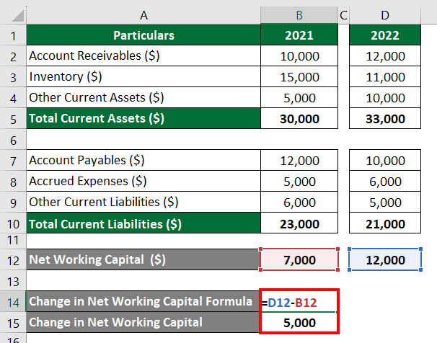
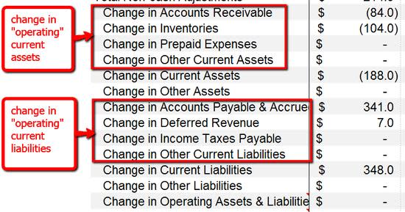
 |  |  |  |  |  |  |  |  |  |  |  | In real valuation its preferable to look for real drivers of revenue, costs, etc instead of just taking averages

 |  |  |  |  | FCF | 4,915 | 4,258 | 3,540 | 2,757 | 1,904 | 155,527
WACC: | 3.53%
NPV of FCF (Enterprise Value) | 142,248 |  | <-- WACC used as discount rate
+ Cash and Cash Equivalents | 12,036 |  |  |  | EV/EBITDA multiple | 20 |  | <--- can be found on google based on the size of the company, industry
- Debt | 114,644 |  |  |  | Terminal value
Equity Value | 39,640 |  |  |  | EV/EBITDA | 155527.2508 |  | <-- take last year's EBIT, add dep. and multiply by EV/EBITDA, this is the terminal value
Shares outstanding (mln) | 659
Fair value per share | 60.15
Market price (as of 30 Dec 2019) | 73.14
Growth forecast | -17.76% |  | <= share is worth less than market value, price expected to decrease
 |  |  | Hence, Sell

